Map
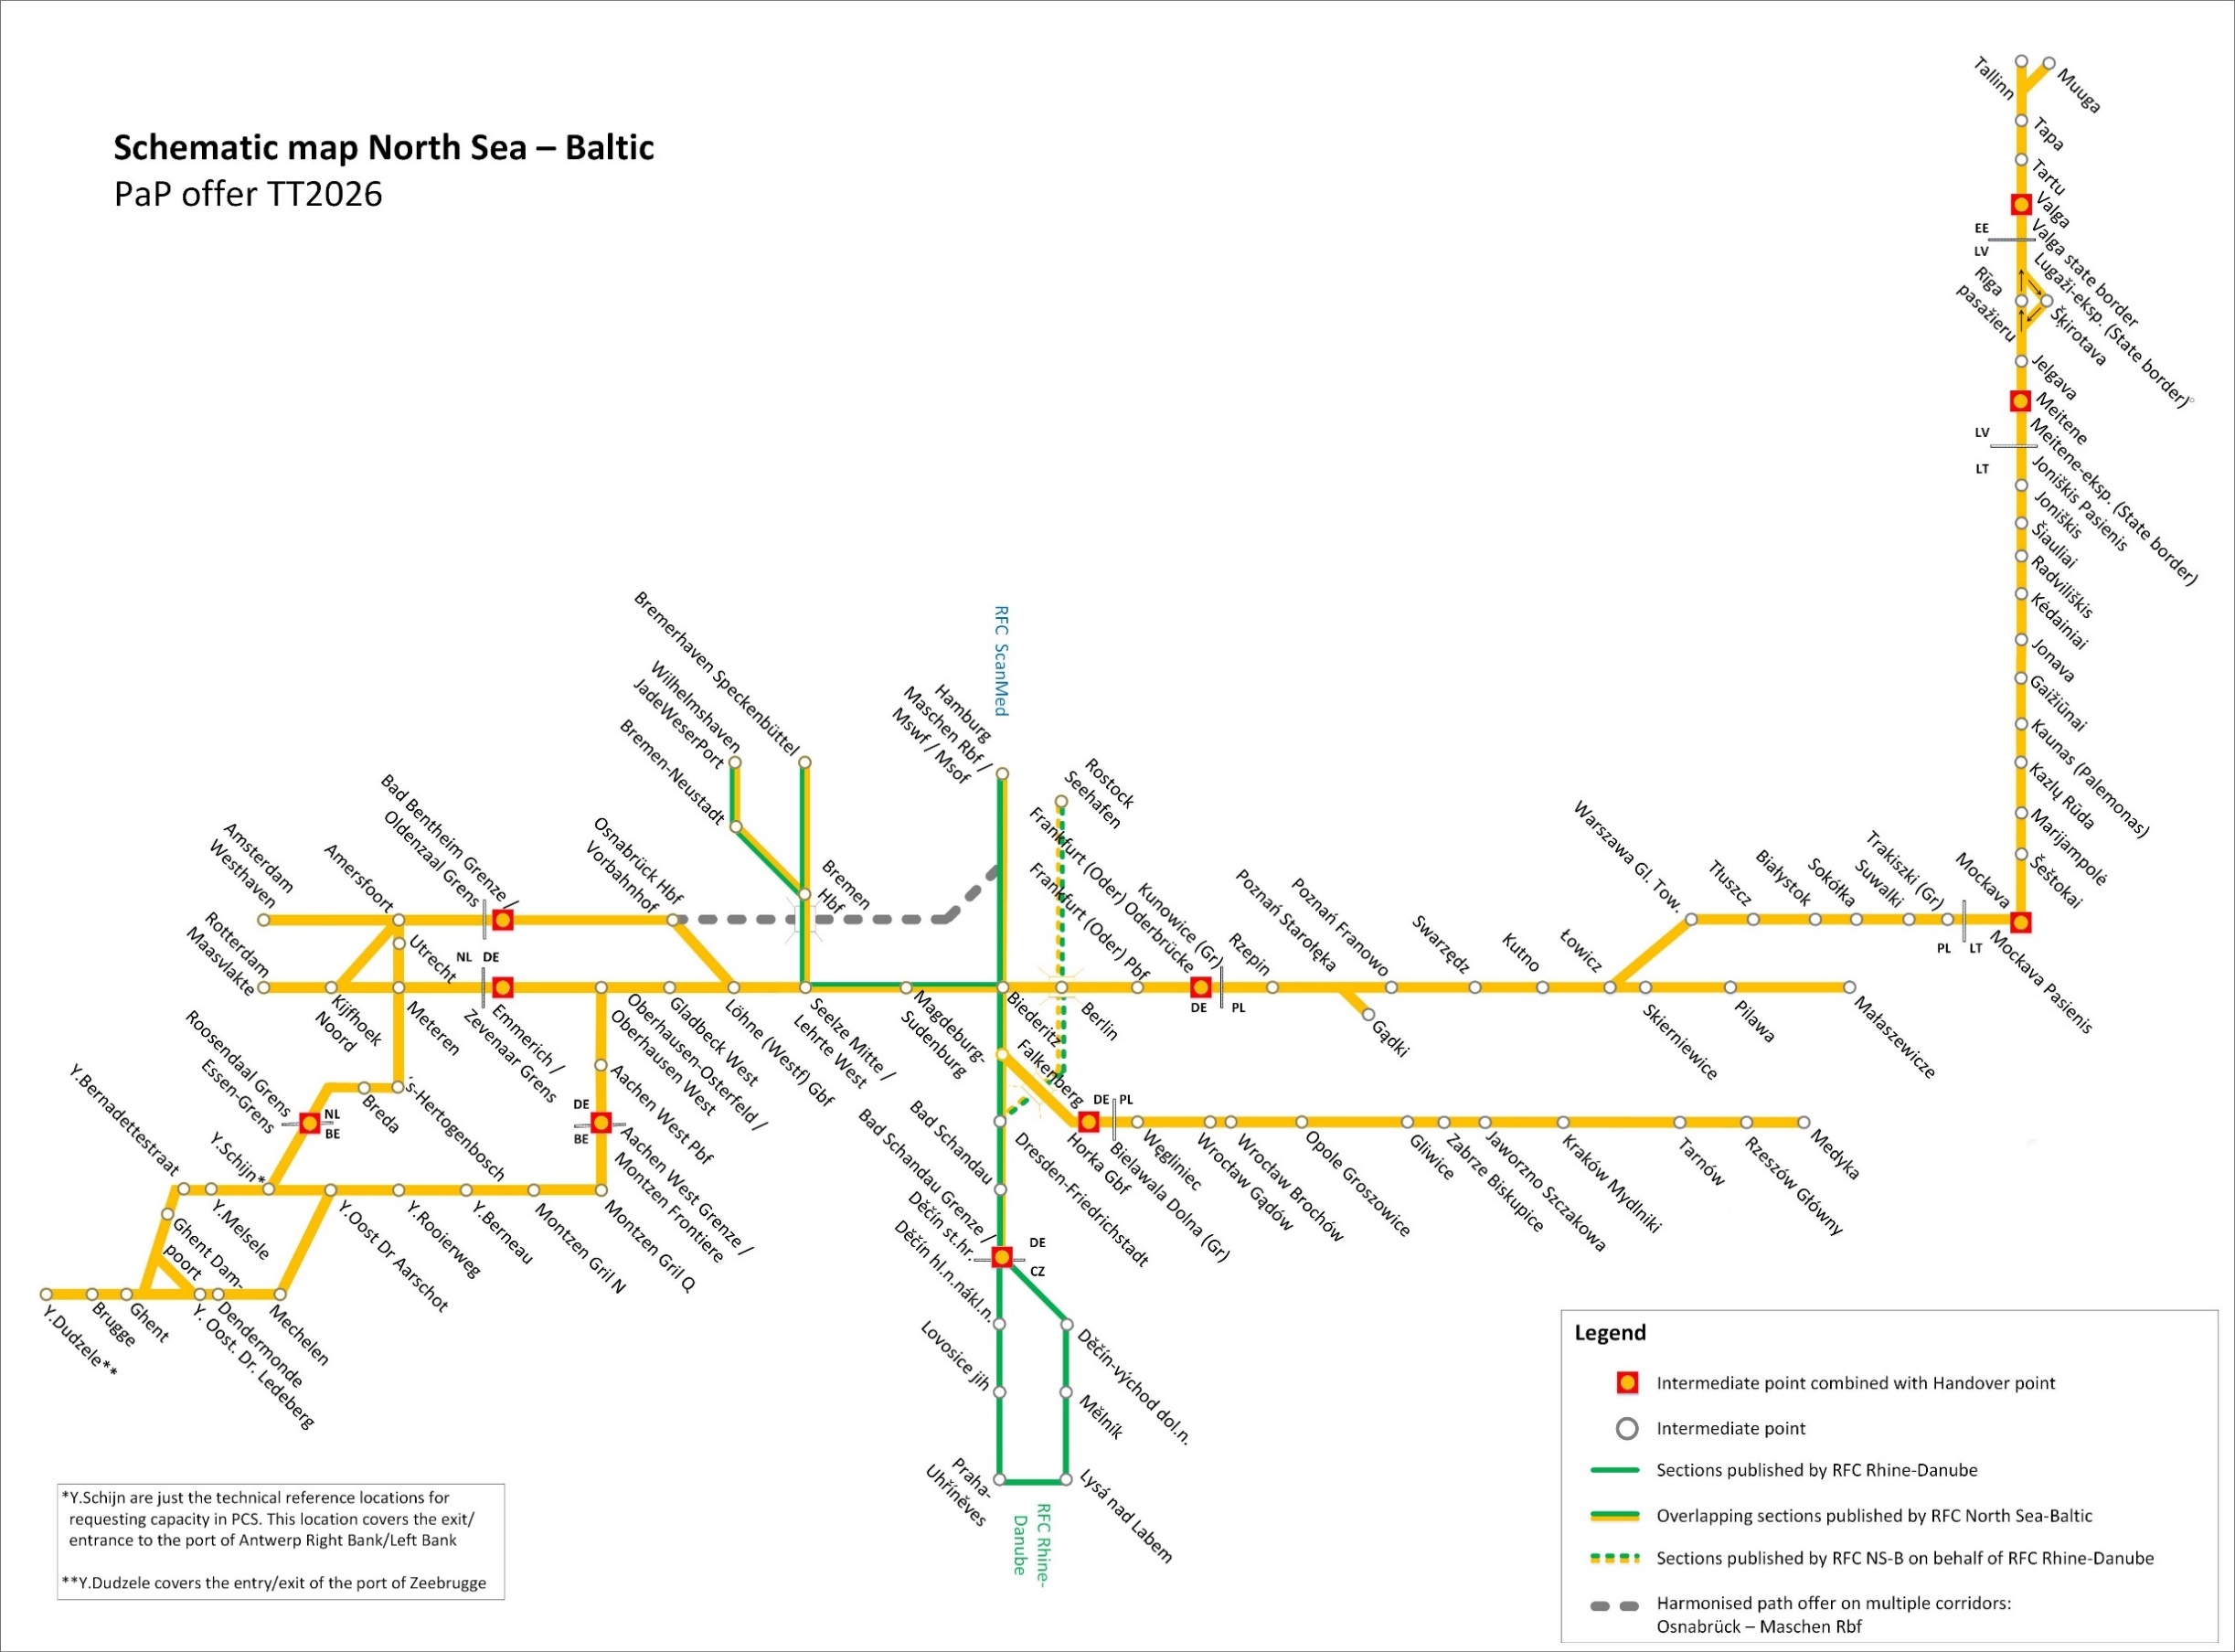
DigiCat RFC North Sea-Baltic TT2026
Date of publication: 27.01.2025
Click on the pictograms to move to the different tabs.
PaPs | Search for PaP sections in all directions (international & national sections)
 | Show list of parameters
 | Show list of distances
Bandwidth for PaPs | Flexible timeframe to adapt the times displayed in the PaPs
Disclaimer: 1) This PaP catalogue might be subject to modifications due to unforseen infrastructure works. 2) In case of discrepancies of information displayed in this PaP catalogue and PCS, please consider the offer in PCS. 3) PaPs are published in PCS at x-11. Between x-11 and x-10,5 the C-OSS is allowed to perform in PCS all needed corrections of errors regarding the published PaPs detected by any of the involved parties. In this phase, the published PaPs have "read only" status for applicants, who may also provide input to the C-OSS regarding the correction of errors. 4) National PaP sections can only be booked in relation with an international path including at least one border crossing.

